Composite
Combined Scores

 | Urban Area

 |  | Coefficientsa
 |  | Model |  | Unstandardized Coefficients |  | Standardized Coefficients | t | Sig.
 |  |  |  | B | Std. Error | Beta
 |  | 1 | (Constant) | 0.567 | 0.005 |  | 122.259 | 0.000
 |  |  | urbscore Urban wealth score | 0.789 | 0.005 | 0.911 | 170.247 | 0.000
 |  | a. Dependent Variable: comscore Common wealth score

 |  |  | Combined Score=.567+.789* Urban Score

 | Rural

 |  | Coefficientsa
 |  | Model |  | Unstandardized Coefficients |  | Standardized Coefficients | t | Sig.
 |  |  |  | B | Std. Error | Beta
 |  | 1 | (Constant) | -0.571 | 0.006 |  | -102.657 | 0.000
 |  |  | rurscore Rural wealth score | 0.648 | 0.006 | 0.835 | 116.590 | 0.000
 |  | a. Dependent Variable: comscore Common wealth score

 |  |  | Combined Score= -.571+.648 * Rural Score

 | Combined Score

 |  | Statistics
 |  | combscor Combined national wealth score
 |  | N | Valid | 11835
 |  |  | Missing | 0
 |  | Mean |  | 0.2179337
 |  | Std. Error of Mean |  | 0.00803530
 |  | Median |  | 0.2134888
 |  | Mode |  | 0.80972
 |  | Std. Deviation |  | 0.87415096
 |  | Skewness |  | -0.103
 |  | Std. Error of Skewness |  | 0.023
 |  | Kurtosis |  | -0.279
 |  | Std. Error of Kurtosis |  | 0.045
 |  | Minimum |  | -3.86670
 |  | Maximum |  | 2.58913
 |  | Percentiles | 20 | -0.5585440
 |  |  | 40 | -0.0568909
 |  |  | 60 | 0.4897126
 |  |  | 80 | 1.0121155

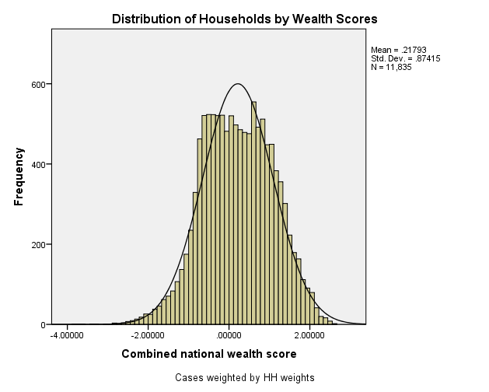
 | histrogram

